Hiearchy View
CLASS: DMS CABINET
Provide advisory information to the motoring public using full-color text, symbols and pictures |  | 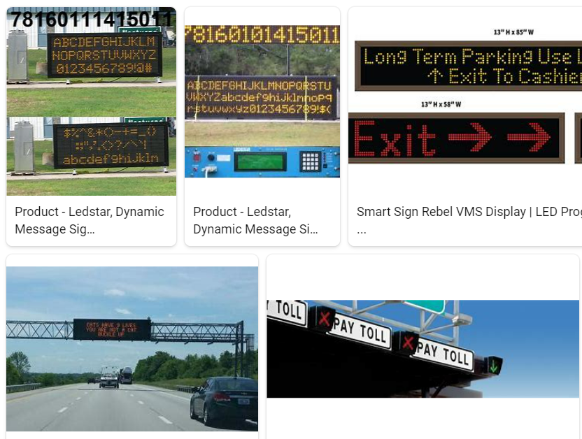
REMOVE | N

PROBLEM_DESC | CAUSE_DESC | REMEDY_DESC
BROKEN/DAMAGED
NOISE
OTHER PROBLEM
OVERHEATING
POWER-ELEC
STOPPED/SLOWED/POOR OPS
TEMP-CTRL
VIBRATION
Grand Total

